1. Title Page
[Instacart Grocery Basket Analysis]

Project Name: Instacart Grocery Basket Analysis
Date: 01/25/2022
Analyst Name: Lucero Vargas

Data Set
~Customers Data Set: Created and included for the purpose of this project.

Contents:
Population Flow
Consistency checks
Wrangling steps
Column derivations
Visualizations
Recommendations

2. Population Flow
Title page

Population flow

Exclusion flag
Condition: max_order <
Obervations to be removed:
Final total count of order_products_all:

Orders_products_combined
Orders_products_merged
Orders_products_all

Total: 32,404,859
Total: 32,434,489
Total: 32,404,859

1.) The grey boxes in the first row of the population flow represent the original data sets as they were when you downloaded them. In the Total fields you need to add the count of the rows when you imported the data set into Jupyter.
2.) The second row of boxes (coloured) represents the data sets after you manipulated them, e.g., removed missing values and duplicates. In the Total fields you need to add the count of the rows after conducting these operations. This offers a visual oveview of how the data flows throughout the data consistency checks.
3.) The third row, where also the arrows are coloured, represents the merges you performed between the datasets. In the Total fields you need to add the count of the rows in the merged datasets, so that you end up with the final dataset (in the red box). Keep in mind the final dataset should be without exclusions (based on the exclusion flag).

3. Consistency checks
 |  |  |  | Title page
Consistency checks

Dataset | Missing values | Missing values treatment | Duplicates
orders | 206,209 missing values in days_since_prior_order | Created a new column new_customer to indicate missing value is due to being a new customer | No duplicates found
products | 16 missing values in product_name | Due to the data being a name I have removed the missing values by isnull() == False | 5 duplicates found and removed
orders_products_prior | There are no missing values | N/A | No duplicates found
customers | There are no missing values | N/A | No duplicates found

4. Wrangling steps
 |  |  |  | Title page
Wrangling steps

Columns dropped | Columns renamed | Columns' type changed | Comment/Reason
eval_set |  |  | Indicates this was the prior data set, irrelevant for this project
 | order_dow to orders _day_of_week |  | Easier to understand what the column name stands for
_merge |  |  | Unnecessary for the analysis
new_customer |  |  | Unnecessary for the analysis
busiest_day |  |  | There is already a column named busiest days
First Name |  |  | Dropping for security reasons
Last Name |  |  | Dropping for security reasons

5. Column derivations
 |  |  |  | Title page

Column derivations and aggregations

In this tab you should add tables below that the frequences of flags/label variables that you produced after deriving them. NB: don't do this for continuous variables, only for flags.
Dataset | New column | Column/s it was derived from | Conditions
orders/products merged | Busiest_day | orders_day_of_week | If day is 0 it is flagged as busiest day, if it’s the 4th day it is flagged as least busiest. Anything else will be flagged as regularly busy
orders/products merged | price_range | prices | if price is more than $15 flagged as high-range product, if price is higher than $5 and less than or equal to $15 flagged as mid-range product. If prices are equal to or lower than $5 flagged as low-range product.
orders/products merged | busiest_days | orders_day_of_week | if day is 0 or 1 flagged e as busiest day. If day is 3 or 4 flagged as slowest day. Anything else will be flagged as regularly busy
orders/products merged | busiest_hours | order_hour_of_day | if hour is on the 1st quantileflagged as 'most orders', if hour is on the 2nd quantile flagged as 'average orders', if hour is on the 3rd quantile flagged as 'fewest orders'.
orders/products merged | loyalty_flag | Grouped by user_id and aggregated max values from order_number | if user has over 40 orders they are flagged as a Loyal customer. If user has more than 20 orders and less than or equal to 40 customers they are flagged as regular customer. If user has less than or equal to 10 orders they are flagged as new customer.
orders/products merged | spending_flag | Grouped by user_id and aggregrated mean values from prices | If user has spent less than $10 they are flagged as low spender. If user has spent $10 or more they are flagged as high spender.
orders/products merged | frequency_flag | Grouped by user_id and aggregrated median values from days_since_prior_order 'dspo' | If user has more than 20 'dspo' they are flagged as non-frequent customer. If user has more than 10 dspo and less than or equal to 20 dspo they are flagged as regular customer. If user has more than 10 days or equal to dspo they are flagged as frequent customer.
ords/prods/cust | age_flag | age | Ages are categorized with generation label
ords/prods/cust | income_flag | income | Grouped income into groups
ords/prods/cust | family_flag | n_dependants and department_id | Categorized as following: 0 dependants as a single adult; 1 or more dependant and department id of 18 = family with baby; 1 or more dependant and not deparment id 18, family.

6. Visualizations
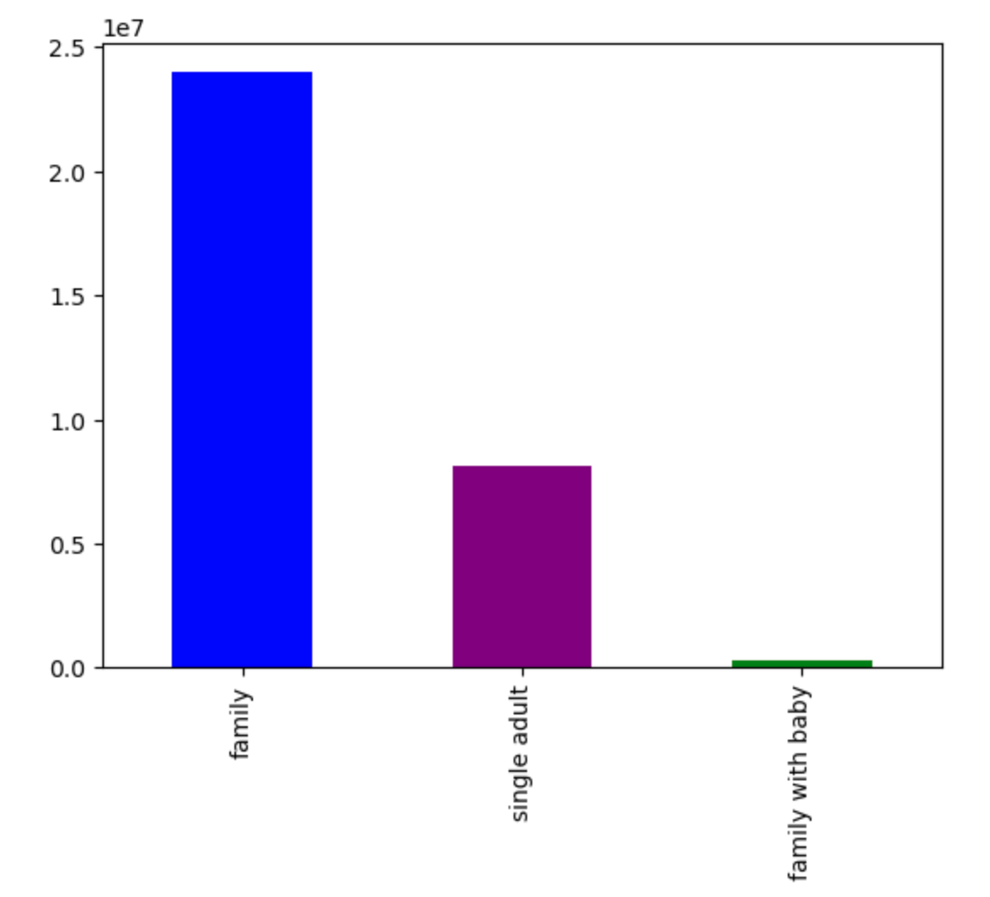
 |  |  |  |  |  | Title page

Visualisations

In this tab you should include all the visualtions from Exercises 4.9 and 4.10, alongside the questions from the project brief that they answer. Include any commentary on the relationship between different variables.

This graph shows how many orders were placed on the day of the week. Saturday is the busiest day |  |  |  | Graph shows frequency of orders per hour of the day




Graph shows if there's a difference in expenditure depending on the hour of the day
 |  |  | Graph is a histogram checking the frequency of prices



Graph is a line chart reflecting the age of the user and the amount of dependants |  |  | Scatterplot shows the difference between income and age.

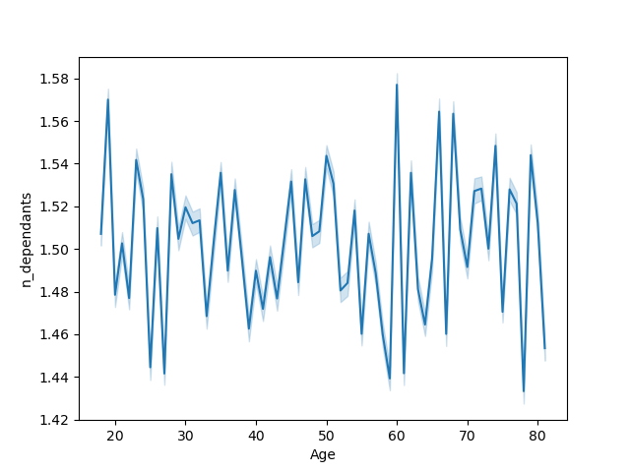


 | Scatterplot, shows there are no outliers in prices |  | Bar chart shows the amount of users per age group. Gen X is number one.

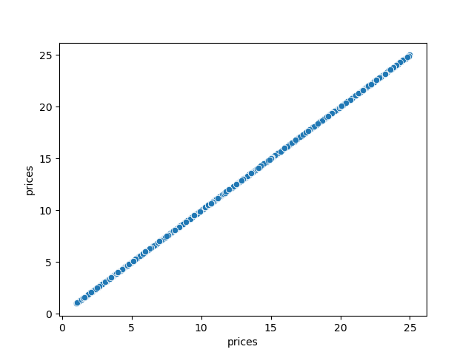
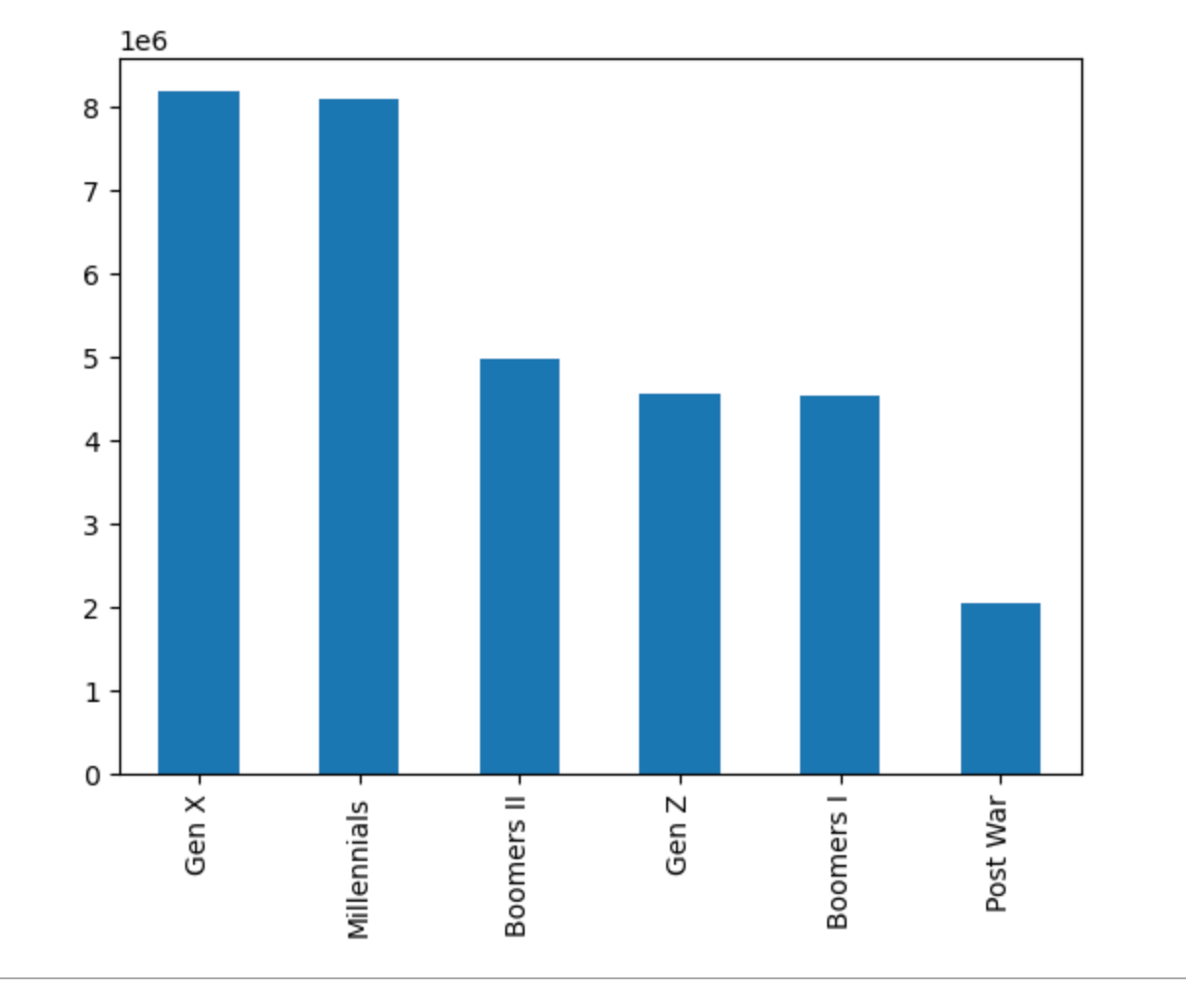

 | Bar chart per users categorized with income. Most fall under the middle class category. |  |  |  | Bar chart per department category. Most orders are in produce.

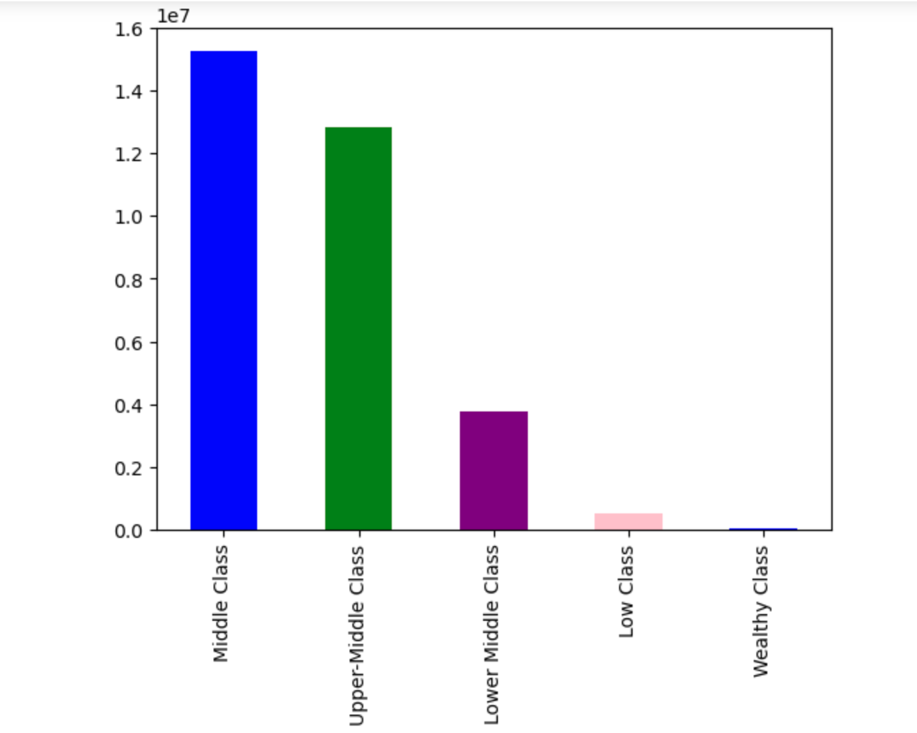
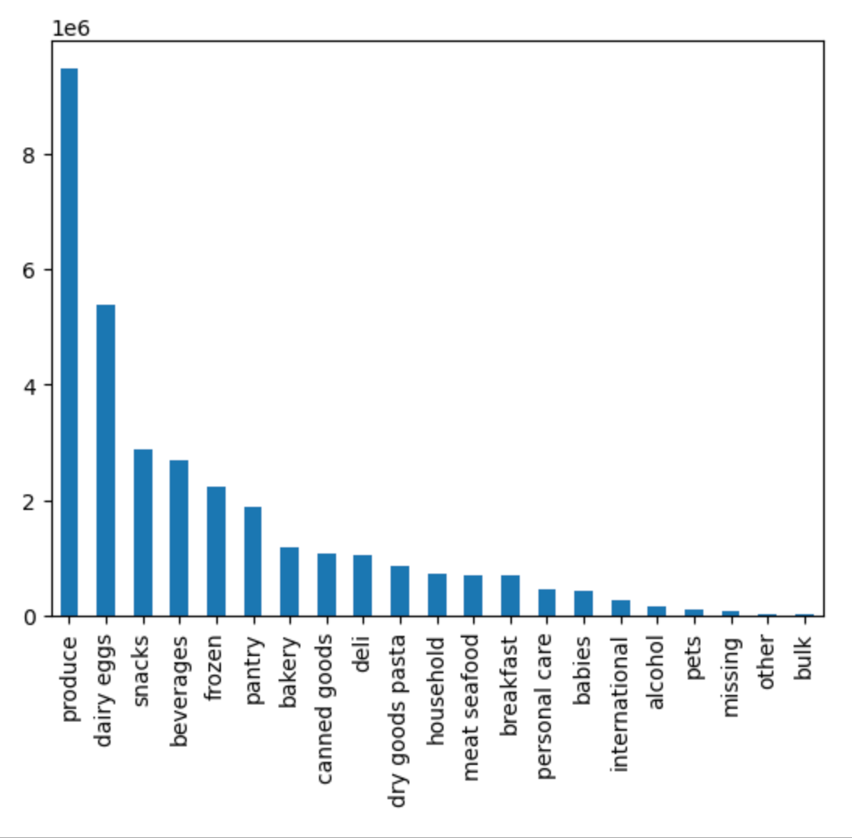

 |  | Bar chart per family status. Users categorized with with one or more dependant and don't shop for babies are considered 'family'.

7. Recommendations
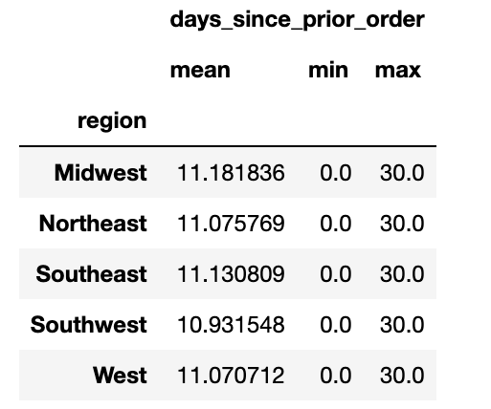
 |  | Title page

Recommendations

In this tab you should include any recommendations you would made to Instcart in terms of their marketing strategy based on the questions posed in the brief. Every key question has been covered in the Tasks of the Exercises - here you need to add an item - a visualisation or table/crosstable that is showing the answer in the data, acompanied by a comment from you. Please, list the questions below and add the answer underneath.

Question | Answer
The sales team needs to know what the busiest days of the week and hours of the day are (i.e., the days and times with the most orders) in order to schedule ads at times when there are fewer orders. | The busiest days of the week are as follows: Saturday, Sunday, Friday, Monday, Thursday, Tuesday and Wednesday. I would recommend scheduling ads on the weekdays, primarily Wednesday.

 | The busiest hours are between 9 and 5 PM. I would recommend scheduling ads earlier and later in the day.

They also want to know whether there are particular times of the day when people spend the most money, as this might inform the type of products they advertise at these times. | The times of the day when people spend the most money is around 1-5 AM. This is interesting considering the busiest hours for orders are between 9 and 5 PM.

Are there certain types of products that are more popular than others? The marketing and sales team want to know which departments have the highest frequency of product orders. | The most popular products are produce, followed by dairy eggs and snacks.

The marketing and sales teams are particularly interested in the different types of customers in their system and how their ordering behaviors differ. For example:
● What's the distribution among users in regards to their brand loyalty (i.e., how often do they return to Instacart)? | The distribution among users are categorized under regular customers, loyal customers and new customers. Most of the customers are Regular Customers
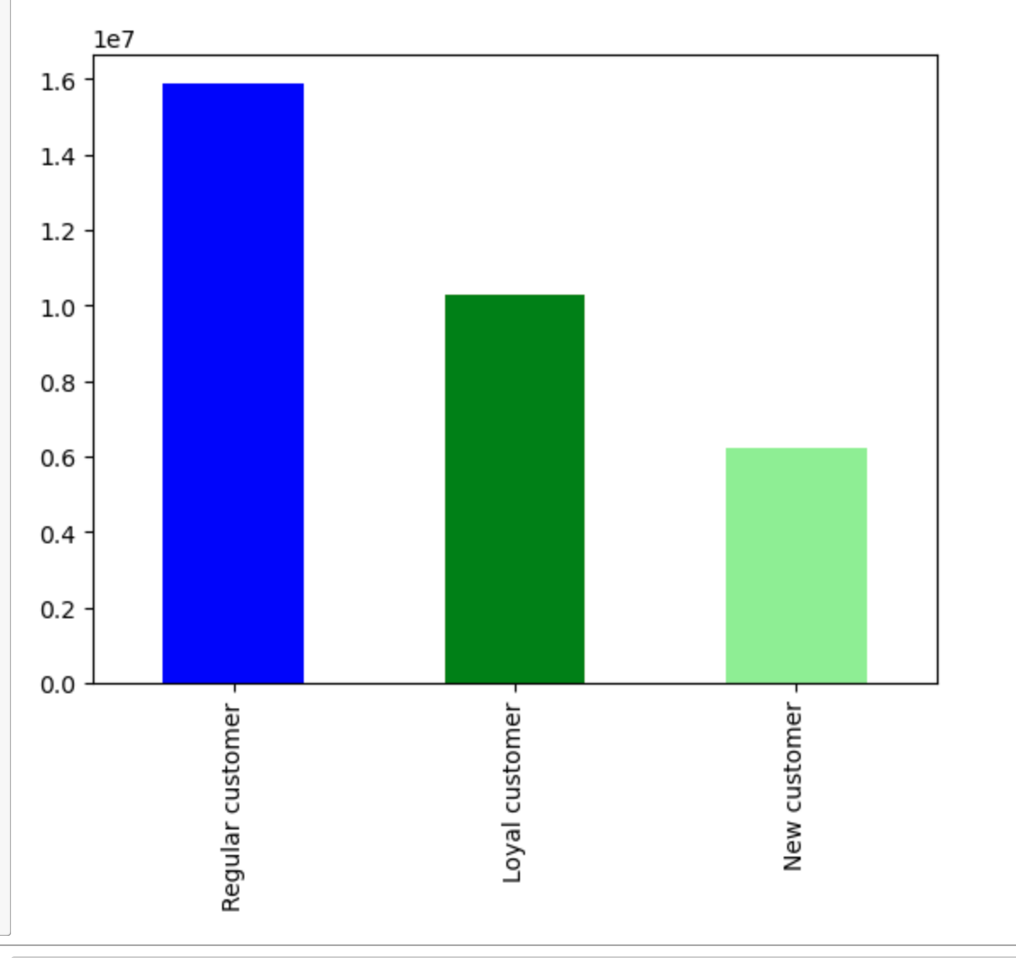

● Are there differences in ordering habits based on a customer's loyalty status? | There are differences in ordering habits based on a customer's loyalty status. The highest mean orders per the customer's loyalty status are new customers followed by regular customers. Loyal customers have the lowest mean.
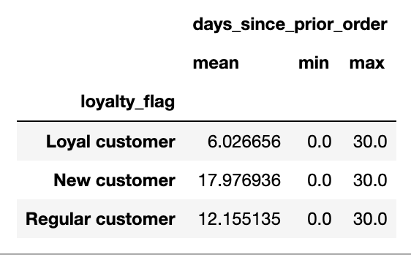

● Are there differences in ordering habits based on a customer's region? | There does appear to be adifference in ordering habits based on a customeer's region. The mean of orders are around 11 days.

